FOR PIVOT
Low Risk Taking | Sector | industry | Price_to_Earnings
Page Industries Ltd. | Textiles | Readymade Garments | 75.79 | Page Industries Ltd.
Abbott India Ltd. | Healthcare | Drugs & Pharma | 47.86 | Abbott India Ltd.
MRF Ltd. | Automobile | Auto Ancillaries | 56.92 | MRF Ltd.
Bajaj Holdings & Investment Ltd. | Financial | Investment Services | 14.88 | Bajaj Holdings & Investment Ltd.
Honeywell Automation India Ltd. | Capital Goods | Electronic Components | 105.98 | Honeywell Automation India Ltd.
 |  | 82654
Risk Taking |  | 57918.28
The Great Eastern Shipping Company Ltd. | Services | Courier Services | 7.14
Welspun Corp Ltd. | Metals & Mining | 23396.76 | 17.12 | The Great Eastern Shipping Company Ltd.
Jyothy Labs Ltd. | Consumer Staples | 65768 | 41.18 | Welspun Corp Ltd.
Gujarat State Fertilizers & Chemicals Ltd. | Chemicals | 9203.8 | 5.65 | Jyothy Labs Ltd.
Sunteck Realty Ltd. | Construction | 2513.72 | 146.94 | Gujarat State Fertilizers & Chemicals Ltd.
 |  | 12188 |  | Sunteck Realty Ltd.
Moderate Risk Taking |  | 3388
Cyient Ltd. | Technology | 1400 | 17.62
Chambal Fertilisers & Chemicals Ltd. | Chemicals | 8000 | 9.45
BASF India Ltd. | Chemicals | 14000 | 23.21 | Cyient Ltd.
Allcargo Logistics Ltd. | Services | 196 | 7.74 | Chambal Fertilisers & Chemicals Ltd.
Mahindra CIE Automotive Ltd. | Metals & Mining | 115 | 17.40 | BASF India Ltd.
 |  | 3 |  | Allcargo Logistics Ltd.
High Risk Taking |  |  |  | Mahindra CIE Automotive Ltd.
VST Industries Limited | Consumer Staples | Household & Personal Products | 14.67
MOIL Ltd. | Metals & Mining | Non-Ferrous Metal | 8.18
Gujarat Pipavav Port Ltd | Services | Courier Services | 18.76
Rallis India Ltd. | Chemicals | Pesticides | 29.35 | VST Industries Limited
Engineers India Ltd. | Construction | Infrastructure | 20.04 | MOIL Ltd.
 |  |  |  | Gujarat Pipavav Port Ltd
 |  |  |  | Rallis India Ltd.
 |  |  |  | Engineers India Ltd.

SUNCLAYLTD | Automobile | 15.73
FINCABLES | Capital Goods | 11.26
GNFC | Chemicals | 5.66
HFCL | Communication | 39.22
KNRCON | Construction | 20.01
WHIRLPOOL | Consumer Discretionary | 36.27
JKPAPER | Consumer Staples | 10.16
SRF | Diversified | 36.79
ADANIPOWER | Energy | 15.99
MOTILALOFS | Financial | 10.39
AUROPHARMA | Healthcare | 13.2
UFLEX | Materials | 4.56
JSWSTEEL | Metals & Mining | 10.57
NAUKRI | Services | 4.3
MASTEK | Technology | 18.49
VTL | Textiles | 6.09

Low Risk Taking stocks
Risk Taking Stocks
Moderate Risk Taking Stocks

High Risk taking stocks

Dashboard
Stock Market Annalysis
 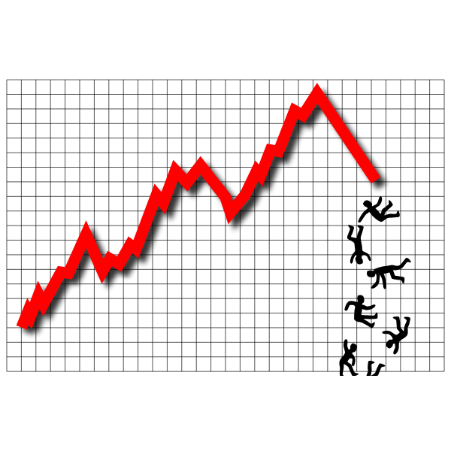
Low Risk Taking stocks
Risk Taking Stocks
 | NSE_code | Sector
 | SUNCLAYLTD | Automobile
 | FINCABLES | Capital Goods
 | GNFC | Chemicals
 | HFCL | Communication
 | KNRCON | Construction
 | WHIRLPOOL | Consumer Discretionary
 | JKPAPER | Consumer Staples
 | SRF | Diversified
 | ADANIPOWER | Energy
 | MOTILALOFS | Financial
 | AUROPHARMA | Healthcare
 | UFLEX | Materials
 | JSWSTEEL | Metals & Mining
 | NAUKRI | Services
 | MASTEK | Technology
High Risk taking stocks
Moderate Risk Taking Stocks
 | VTL | Textiles

